Hiearchy View
CLASS: RETARD CHAMBER
one gallon tank that absorbs water surges prior to reaching the alarms. |  | 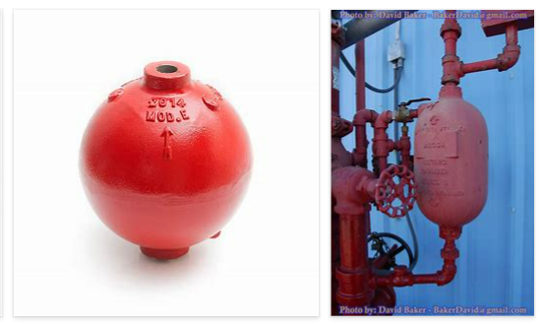
REMOVE | N

PROBLEM_DESC | CAUSE_DESC | REMEDY_DESC
BROKEN/DAMAGED
LEAKING
OTHER PROBLEM
PRESSURE
STOPPED/SLOWED/POOR OPS
TEMP-CTRL
VIBRATION
Grand Total

